Sheet2
Available inventory
 |  |  |  |  |  | Mittwoch, 9. Februar 2023

hummel Logistics

 |  |  |  |  |  | Page 1

 |  |  |  |  |  | CONNECT\ELPI
Location Filter HDC

214189 hmlNOLAN BOXERS 2-PACK 1009 | BLACK IRIS
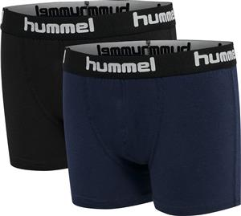 | Size/Prepack code | WHS EUR | RRP EUR | HUM Availability | Next avail. date
 | 98-04 | 10.43 | 22.95 | 203
 | 10-16 | 10.43 | 22.95 | 140
 | 22-28 | 10.43 | 22.95 | 169
 | 34-40 | 10.43 | 22.95 | 1231
 | 46-52 | 10.43 | 22.95 | 1107
 | 58-64 | 10.43 | 22.95 | 909
 | Subtotal |  |  | 3759
214189 hmlNOLAN BOXERS 2-PACK 6086 | DARK OLIVE
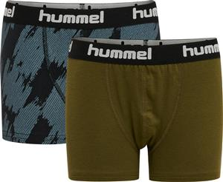 | Size/Prepack code | WHS EUR | RRP EUR | HUM Availability | Next avail. date
 | HSF (10) | 10.43 | 22.95 | 0
 | 98-04 | 10.43 | 22.95 | 90
 | 10-16 | 10.43 | 22.95 | 18
 | 22-28 | 10.43 | 22.95 | 43
 | 34-40 | 10.43 | 22.95 | 103
 | 46-52 | 10.43 | 22.95 | 74
 | 58-64 | 10.43 | 22.95 | 53
 | Subtotal |  |  | 381
214189 hmlNOLAN BOXERS 2-PACK 6575 | LAUREL WREATH
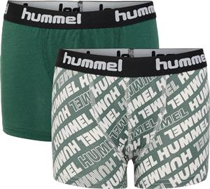 | Size/Prepack code | WHS EUR | RRP EUR | HUM Availability | Next avail. date
 | HSF (10) | 10.43 | 22.95 | 0
 | 98-04 | 10.43 | 22.95 | 8
 | 10-16 | 10.43 | 22.95 | 20
 | 22-28 | 10.43 | 22.95 | 10
 | 34-40 | 10.43 | 22.95 | 6
 | 46-52 | 10.43 | 22.95 | 2
 | 58-64 | 10.43 | 22.95 | 3
 | Subtotal |  |  | 49
214189 hmlNOLAN BOXERS 2-PACK 8744 | SARGASSO SEA
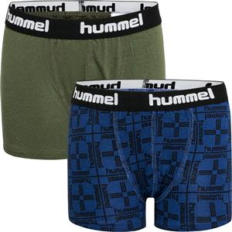 | Size/Prepack code | WHS EUR | RRP EUR | HUM Availability | Next avail. date
 | 98-04 | 10.43 | 22.95 | 6
 | 10-16 | 10.43 | 22.95 | 1
 | 22-28 | 10.43 | 22.95 | 24
 | 34-40 | 10.43 | 22.95 | 61
 | Subtotal |  |  | 92

215796 hmlMARSTON 4-PACK BOXERS 1070 | BLACK/DARK GREY MELANGE
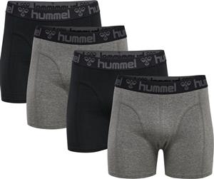 | Size/Prepack code | WHS EUR | RRP EUR | HUM Availability | Next avail. date
 | S | 20.43 | 44.95 | 36
 | M | 20.43 | 44.95 | 439
 | L | 20.43 | 44.95 | 603
 | XL | 20.43 | 44.95 | 355
 | 2XL | 20.43 | 44.95 | 29
 | 3XL | 20.43 | 44.95 | 2
 | Subtotal |  |  | 1464
215796 hmlMARSTON 4-PACK BOXERS 2136 | BLACK/INSIGINA BLUE
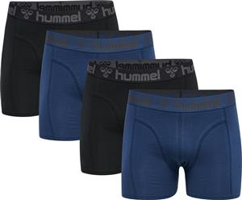 | Size/Prepack code | WHS EUR | RRP EUR | HUM Availability | Next avail. date
 | S | 20.43 | 44.95 | 103
 | M | 20.43 | 44.95 | 474
 | L | 20.43 | 44.95 | 696
 | XL | 20.43 | 44.95 | 323
 | 2XL | 20.43 | 44.95 | 18
 | 3XL | 20.43 | 44.95 | 43
 | Subtotal |  |  | 1657
215796 hmlMARSTON 4-PACK BOXERS 2206 | BLACK/THYME
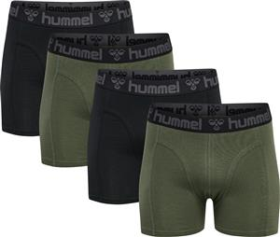 | Size/Prepack code | WHS EUR | RRP EUR | HUM Availability | Next avail. date
 | S | 20.43 | 44.95 | 126
 | M | 20.43 | 44.95 | 463
 | L | 20.43 | 44.95 | 648
 | XL | 20.43 | 44.95 | 444
 | 2XL | 20.43 | 44.95 | 62
 | Subtotal |  |  | 1743

 |  |  |  | 9146

